SLS Map
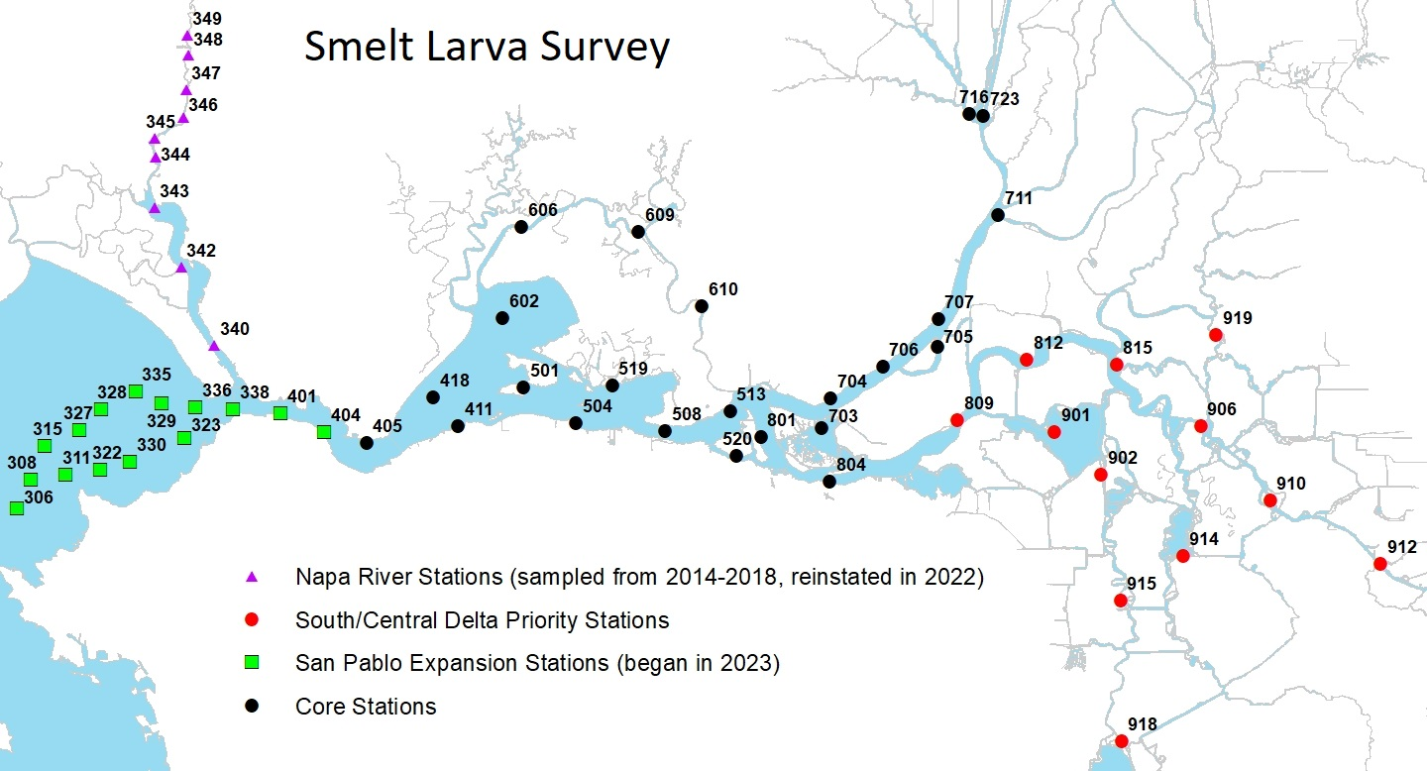
CDFW’s 2026 Smelt Larva Survey station locations.

